Top 10
MvT | 261
Material | 1431
 | Total
Feb | 14
Mar | 555
Apr | 729
May | 906
Jun | 916
Jul | 14
Aug | 18
Sep | 1512
Oct | 873
Nov | 373
Dec | 723
Jan | 287
Feb | 1
Mar | 51
Apr | 771
May | 844
Jun | 678
Jul | 360
Aug | 152
Sep | 760
Nov | 1217
Dec | 896
Jan | 297
Feb | 58
Mar | 366
Apr | 7
May | 687
Jun | 641
Jul | 322
Aug | 553
Sep | 314
Row Labels | Sum of Quantity
2014
Feb | 14
Mar | 555
Apr | 729
May | 906
Jun | 916
Jul | 14
Aug | 18
Sep | 1512
Oct | 873
Nov | 373
Dec | 723
2015
Jan | 287
Feb | 1
Mar | 51
Apr | 771
May | 844
Jun | 678
Jul | 360
Aug | 152
Sep | 760
Nov | 1217
Dec | 896
2016
Jan | 297
Feb | 58
Mar | 366
Apr | 7
May | 687
Jun | 641
Jul | 322
Aug | 553
Sep | 314
Grand Total | 15895

Forecast 1
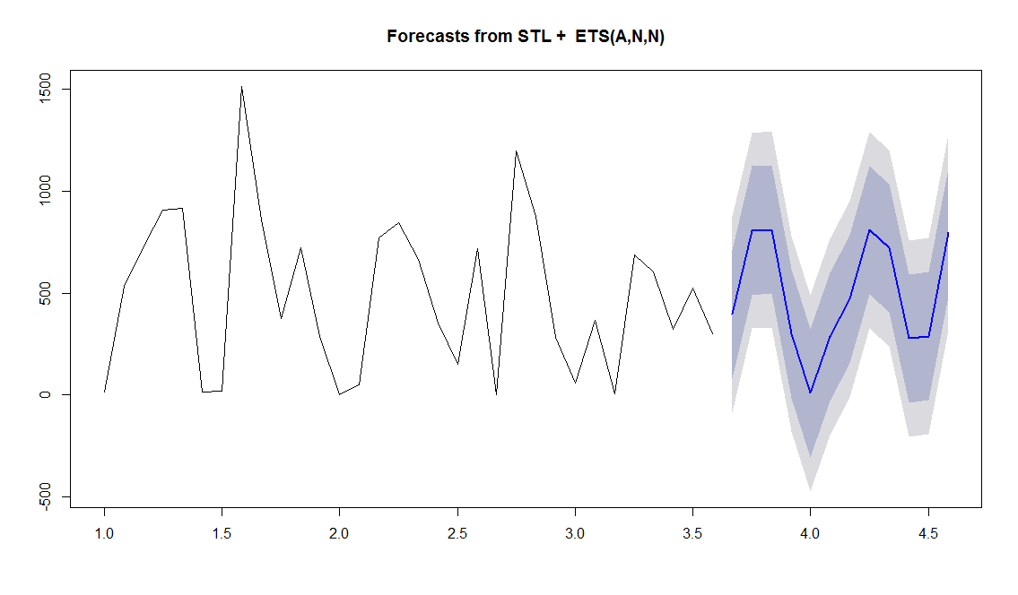
Forecast for top consumed spare part
 | STL - Seasonal, Trend, Level
 | ETS - Exponential Smoothing

Forecast 2
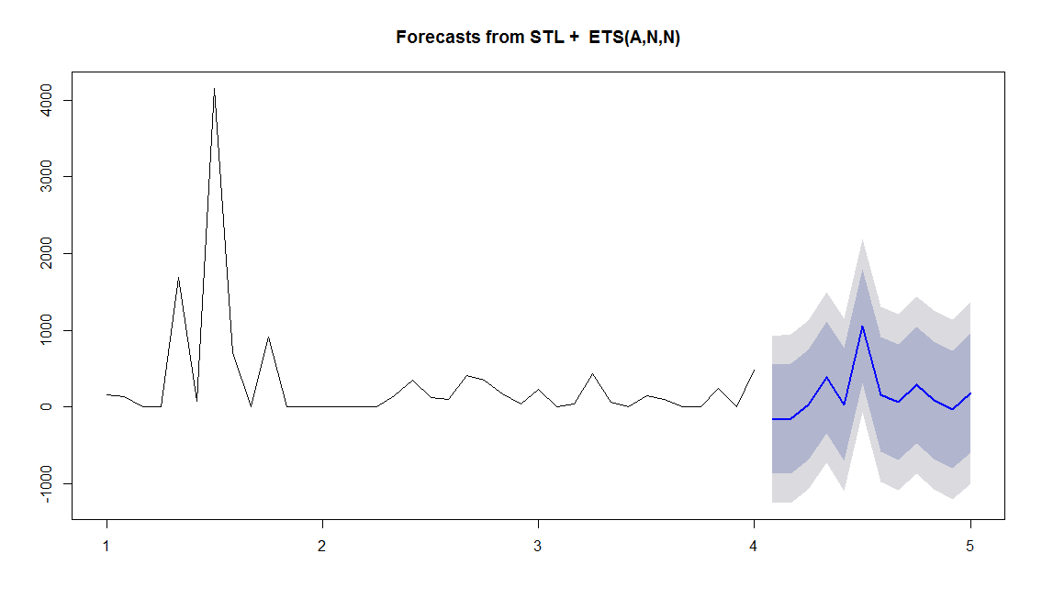
Breaking down the series into Trend, Seasonility and irregular parts
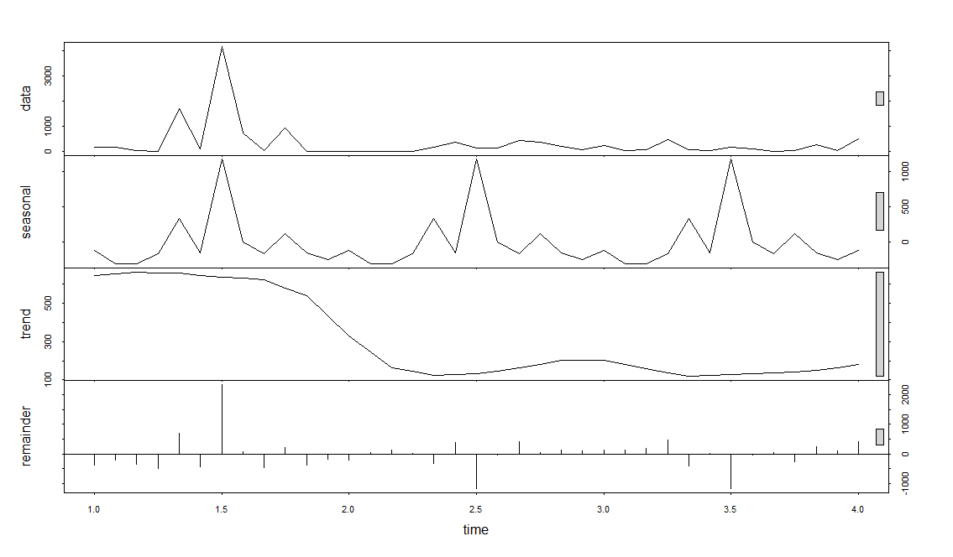

The Forecast

